Sheet1
Anomaly Detection

 | - Outlier detection .
 | - Sometime they are not outliers , but business situation by which you need to exclude them from your regular dataset .
 | - Example :
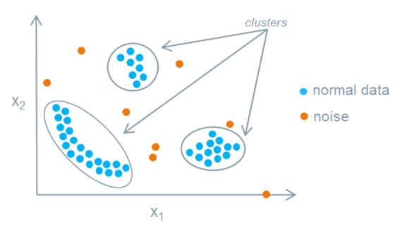

 |  | While filling a form . |  |  | 0 0 0 0 1 1 1 1 | Phone no.
 |  | xyz@mnmn.com
 |  | Shopping heavily in a fine day .
 |  | hacker attack - that's day log will be different .

 | - To build a successful model we hae to handle noise or remove it .
 | - DBSCAN is one of the best algorithm to find Anamoly .

 | Anamoly Detection is categorized into three broad categories -

 | 1 | Supervised Anamoly Detection : Classifies whether the data pints is Normal or Abnormal.

 | 2 | Unsupervised Anamoly Detection : Clustering , DBSCAN

 | 3 | Unsupervised Anamoly Detection : Classifier or Clustering .

Classification
 | Anamoly is use to identify the rare items, suspcious items, events and outcomes which can raise a harm to the model

 | 1 ) Point Anamoly :
 |  | When a single data point is too far from the rest data points
 |  | In one fine day of Summer temparature reduces to 24 Degree or rains .
 |  | Earthquake .
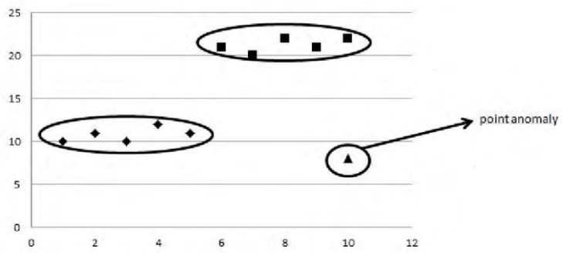

 | 2 ) Contextual Anomaly :
 |  | Investing 1000 rupee everyday on buying shoe since you play football is normal, but odd anyway comparing person-to-person .

 | 3 ) Collective Anamoly :
 |  | Remotely using a machine and extracting the information to the local host .
 |  | Cyber attack .
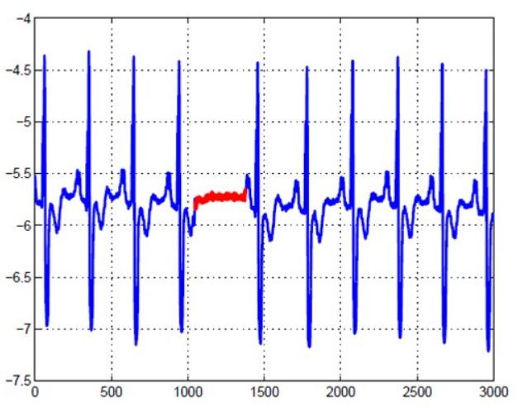

Anomaly Detection Technique :

 | Statistics
 | graphics

 |  | There are 100 of ways to find outliers .

Applications of Anomaly Detection

 | 1. Intrusion Detection
 | 2. Fraud Detection
 | 3. Fault Detection
 | 4. System Health Monitoring
 | 5. Event Detection in networks
 | 6. Detecting Natural disturbances.

Maths used in Anamoly Detection

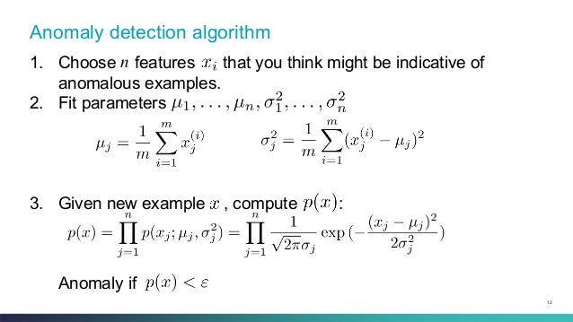

 |  |  |  |  |  |  | Standard Deviation

 | Mean

 | SND

Problem Statement

 | Credit Card Fraud Detection

Data Preprocessing and EDA

 | - It is important to clean the data ( preprocess ) before using it to fit the model .
 | - The mothod helps in removing the outliers and make the data standardize .
 | - To understand the data more easily and widely we visualize the data .

 | Python Example : EDA_Fraud-Detection.ipynb

Q | df.skew | How distorted your dataset is from normal distribution .

Q | Model Fitting |  | Why is it important to fit the model ?

 |  |  |  | Performance on Data |  | Accuracy
 |  | Overfitting |  | Good |  | Poor
 |  | Underfitting |  | Poor |  | Poor
 |  | Apropriate fitting |  | Good |  | Good

Q | What are the Outliers algorithms you have used to find the outliers/anomaly ?

 |  | Graphical , Statistical , Mean/Median/Mode
 |  | DBSCAN
 |  | Isolation Forest
 |  | Local Outlier Factor
 |  | OneclassSVM |  | To deal with a data set where one class is in majority and other class is minority .

Advantage
 | 1. It can Monitor the data source, networks, users, etc.
 | 2. It can identify the Security threads.
 | 3. It can find the trend of the unusual behavior of the data set and handles the security and safity.
 | 4. It can identify key outliers.

Disadvantage

 | The biggest Disadvantage is that it cannot identify the novelty attacks and the various existing attacks.

